Sheet1


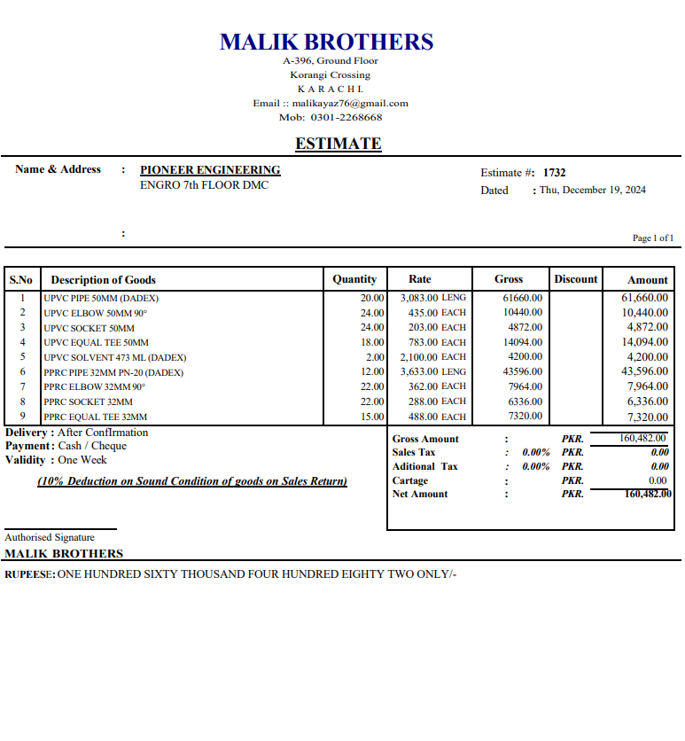
M/S IK Associates |  |  |  |  |  |  |  |  | 2024-12-20

Project: Engro Office 7th Floor DMC Karachi

Attn: Mr. Taha Ghaznavi

Variation No: 1
Supply & installation of UPVC & PPRC Pipe & fittings.
S. # | Description | Material Rate | Labour Rate | Wastage 10% | Over head Profit 28% | Total Rate | Unit | Qty | Amount
1 | Supply and installation of UPVC Pipe 50MM Make DADEX | 154.15 | 120 | 15 | 81 | 371 | RFT | 200 | 74,129
2 | Supply and installation of PPRC Pipe 32MM Make DADEX | 181.65 | 150 | 18 | 98 | 448 | RFT | 150 | 67,164
3 | Supply and installation of Fittings. Make DADEX
i | UPVC Elbow 50mm | 435 | 100 | - | 150 | 685 | Nos | 24 | 16,435
ii | UPVC Sockets 50mm | 203 | 100 | - | 85 | 388 | Nos | 24 | 9,308
iii | UPVC Equal TEE 50mm | 783 | 100 | - | 247 | 1,130 | Nos | 18 | 20,344
iv | PPRC Elbow 32mm | 362 | 100 | - | 129 | 591 | Nos | 12 | 7,096
v | PPRC Socket 32mm | 288 | 100 | - | 109 | 497 | Nos | 22 | 10,926
vi | PPRC Equal Tee 32mm | 488 | 100 | - | 165 | 753 | Nos | 22 | 16,558
vii | Solvent 473 ml | 2,100 | 100 | - | 616 | 2,816 | Nos | 3 | 8,448
Total Amount Rs. |  |  |  |  |  |  |  |  | 230,409

Note: Vendor Quotations attached

Thanking you,

For PIONEER ENGINEERING SERVICES.

Bilal Habib

